Tuscarora
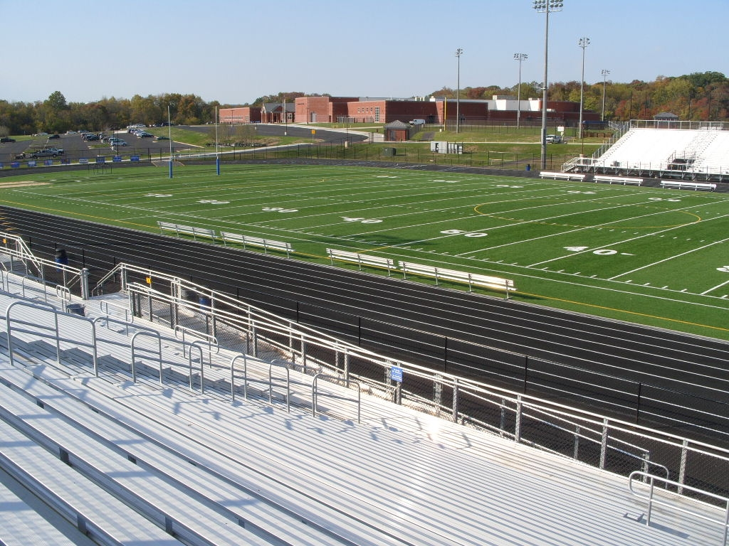

Year | Date | Opponent | Us | Them | Result | W | L | T | OT | Where | Location | Field | Coach | Notes
2010 | 2016-08-27 | Woodgrove | 33 | 21 | W | 1 |  |  |  | Home | Leesburg | Fortune Field | Mike Burnett
2010 | 2016-09-03 | Warren County | 19 | 33 | L |  | 1 |  |  | Away | Front Royal |  | Mike Burnett
2010 | 2016-09-10 | Loudoun County | 0 | 49 | L |  | 1 |  |  | Away | Leesburg |  | Mike Burnett
2010 | 2016-09-24 | Heritage Leesburg | 15 | 34 | L |  | 1 |  |  | Away | Leesburg |  | Mike Burnett
2010 | 2016-10-01 | Perry Street Prep, DC | 29 | 16 | W | 1 |  |  |  | Home | Leesburg | Fortune Field | Mike Burnett
2010 | 2016-10-08 | Skyline | 21 | 22 | L |  | 1 |  |  | Home | Leesburg | Fortune Field | Mike Burnett
2010 | 2016-10-15 | Brentsville | 7 | 0 | W | 1 |  |  |  | Home | Leesburg | Fortune Field | Mike Burnett
2010 | 2016-10-22 | East Rockingham | 34 | 15 | W | 1 |  |  |  | Home | Leesburg | Fortune Field | Mike Burnett
2010 | 2016-10-29 | James Wood | 7 | 42 | L |  | 1 |  |  | Home | Leesburg | Fortune Field | Mike Burnett
2010 | 2016-11-05 | Woodgrove | 55 | 20 | W | 1 |  |  |  | Away | Purcellville |  | Mike Burnett
2011 | 2016-08-26 | Millbrook | 27 | 10 | W | 1 |  |  |  | Home | Leesburg | Fortune Field | Mike Burnett
2011 | 2016-09-10 | Brentsville | 52 | 8 | W | 1 |  |  |  | Away | Nokesville |  | Mike Burnett
2011 | 2016-09-16 | Loudoun Valley | 28 | 14 | W | 1 |  |  |  | Away | Purcellville |  | Mike Burnett
2011 | 2016-09-23 | Loudoun County | 16 | 9 | W | 1 |  |  |  | Home | Leesburg | Fortune Field | Mike Burnett
2011 | 2016-09-30 | Briar Woods | 0 | 38 | L |  | 1 |  |  | Away | Ashburn |  | Mike Burnett
2011 | 2016-10-06 | Potomac Falls | 32 | 19 | W | 1 |  |  |  | Home | Leesburg | Fortune Field | Mike Burnett
2011 | 2016-10-14 | Park View Sterling | 13 | 9 | W | 1 |  |  |  | Home | Leesburg | Fortune Field | Mike Burnett
2011 | 2016-10-21 | Dominion | 27 | 7 | W | 1 |  |  |  | Away | Sterling |  | Mike Burnett
2011 | 2016-10-28 | Woodgrove | 43 | 28 | W | 1 |  |  |  | Away | Purcellville |  | Mike Burnett
2011 | 2016-11-04 | Heritage Leesburg | 28 | 31 | L |  | 1 |  |  | Home | Leesburg | Fortune Field | Mike Burnett
2011 | 2016-11-11 | Warren County | 28 | 21 | W | 1 |  |  |  | Home | Leesburg | Fortune Field | Mike Burnett | playoff at Leesburg
2011 | 2016-11-18 | Kettle Run | 0 | 32 | L |  | 1 |  |  | Away | Nokesville |  | Mike Burnett | playoff at Nokesville
2012 | 2016-08-24 | Millbrook | 41 | 21 | W | 1 |  |  |  | Away | Winchester |  | Mike Burnett
2012 | 2016-09-07 | Brentsville | 35 | 0 | W | 1 |  |  |  | Home | Leesburg | Fortune Field | Mike Burnett
2012 | 2016-09-14 | Loudoun Valley | 20 | 14 | W | 1 |  |  |  | Home | Leesburg | Fortune Field | Mike Burnett
2012 | 2016-09-21 | Loudoun County | 21 | 7 | W | 1 |  |  |  | Away | Leesburg |  | Mike Burnett
2012 | 2016-09-28 | Briar Woods | 6 | 35 | L |  | 1 |  |  | Home | Leesburg | Fortune Field | Mike Burnett
2012 | 2016-10-05 | Potomac Falls | 37 | 7 | W | 1 |  |  |  | Away | Sterling |  | Mike Burnett
2012 | 2016-10-12 | Park View Sterling | 36 | 3 | W | 1 |  |  |  | Away | Sterling |  | Mike Burnett
2012 | 2016-10-19 | Dominion | 40 | 26 | W | 1 |  |  |  | Home | Leesburg | Fortune Field | Mike Burnett
2012 | 2016-10-26 | Woodgrove | 35 | 31 | W | 1 |  |  |  | Home | Leesburg | Fortune Field | Mike Burnett
2012 | 2016-11-02 | Heritage Leesburg | 32 | 6 | W | 1 |  |  |  | Away | Leesburg |  | Mike Burnett
2012 | 2016-11-09 | Millbrook | 42 | 21 | W | 1 |  |  |  | Home | Leesburg | Fortune Field | Mike Burnett
2012 | 2016-11-16 | Loudoun County | 21 | 30 | L |  | 1 |  |  | Home | Leesburg | Fortune Field | Mike Burnett | playoff at Leesburg
2013 | 2016-08-30 | Kettle Run | 31 | 21 | W | 1 |  |  |  | Away | Nokesville |  | Mike Burnett
2013 | 2016-09-06 | Woodgrove | 21 | 14 | W | 1 |  |  |  | Home | Leesburg | Fortune Field | Mike Burnett
2013 | 2016-09-12 | Loudoun Valley | 34 | 14 | W | 1 |  |  |  | Away | Purcellville |  | Mike Burnett
2013 | 2016-09-20 | Martinsburg, WV | 35 | 34 | W | 1 |  |  |  | Home | Leesburg | Fortune Field | Mike Burnett
2013 | 2016-09-27 | Heritage Leesburg | 35 | 7 | W | 1 |  |  |  | Away | Leesburg |  | Mike Burnett
2013 | 2016-10-04 | Loudoun County | 48 | 14 | W | 1 |  |  |  | Home | Leesburg | Fortune Field | Mike Burnett
2013 | 2016-10-14 | Broad Run | 17 | 21 | L |  | 1 |  |  | Away | Ashburn |  | Mike Burnett
2013 | 2016-10-18 | Potomac Falls | 46 | 28 | W | 1 |  |  |  | Home | Leesburg | Fortune Field | Mike Burnett
2013 | 2016-11-01 | Freedom | 48 | 0 | W | 1 |  |  |  | Home | Leesburg | Fortune Field | Mike Burnett
2013 | 2016-11-08 | Briar Woods | 7 | 36 | L |  | 1 |  |  | Away | Ashburn |  | Mike Burnett
2013 | 2016-11-15 | Mount Vernon | 35 | 27 | W | 1 |  |  |  | Home | Leesburg | Fortune Field | Mike Burnett | playoff at Leesburg
2013 | 2016-11-22 | North Stafford | 20 | 39 | L |  | 1 |  |  | Home | Leesburg | Fortune Field | Mike Burnett | playoff at Leesburg
2014 | 2016-08-29 | Kettle Run | 40 | 7 | W | 1 |  |  |  | Home | Leesburg | Fortune Field | Mike Burnett
2014 | 2016-09-05 | Woodgrove | 41 | 7 | W | 1 |  |  |  | Away | Purcellville |  | Mike Burnett
2014 | 2016-09-12 | Loudoun Valley | 42 | 7 | W | 1 |  |  |  | Home | Leesburg | Fortune Field | Mike Burnett
2014 | 2016-09-19 | Martinsburg, WV | 40 | 21 | W | 1 |  |  |  | Away | Martinsburg | Cobourn Field | Mike Burnett
2014 | 2016-09-26 | Heritage Leesburg | 61 | 14 | W | 1 |  |  |  | Home | Leesburg | Fortune Field | Mike Burnett
2014 | 2016-10-02 | Loudoun County | 21 | 8 | W | 1 |  |  |  | Away | Leesburg |  | Mike Burnett
2014 | 2016-10-10 | Broad Run | 35 | 28 | W | 1 |  |  |  | Home | Leesburg | Fortune Field | Mike Burnett
2014 | 2016-10-17 | Potomac Falls | 33 | 7 | W | 1 |  |  |  | Away | Sterling |  | Mike Burnett
2014 | 2016-10-24 | Freedom | 41 | 3 | W | 1 |  |  |  | Home | Leesburg | Fortune Field | Mike Burnett
2014 | 2016-11-07 | Briar Woods | 41 | 0 | W | 1 |  |  |  | Home | Leesburg | Fortune Field | Mike Burnett
2014 | 2016-11-14 | Thomas Edison | 54 | 6 | W | 1 |  |  |  | Home | Leesburg | Fortune Field | Mike Burnett | playoff at Leesburg
2014 | 2016-11-21 | Wakefield | 42 | 14 | W | 1 |  |  |  | Home | Leesburg | Fortune Field | Mike Burnett | playoff at Leesburg
2014 | 2016-11-28 | Broad Run | 35 | 14 | W | 1 |  |  |  | Home | Leesburg | Fortune Field | Mike Burnett | playoff at Leesburg
2014 | 2016-11-05 | Massaponax | 41 | 21 | W | 1 |  |  |  | Home | Leesburg | Fortune Field | Mike Burnett | playoff at Leesburg
2014 | 2016-11-12 | L. C. Byrd | 19 | 22 | L |  | 1 |  |  | Neutral | Charlottesville | Scott Stadium | Mike Burnett | championship at Charlottesville
2015 | 2016-08-28 | Briar Woods | 22 | 16 | W | 1 |  |  |  | Home | Leesburg | Fortune Field | Mike Burnett
2015 | 2016-09-04 | Loudoun County | 27 | 0 | W | 1 |  |  |  | Home | Leesburg | Fortune Field | Mike Burnett
2015 | 2016-09-11 | Hayfield | 40 | 14 | W | 1 |  |  |  | Away | Alexandria |  | Mike Burnett
2015 | 2016-09-18 | Oakton | 28 | 14 | W | 1 |  |  |  | Home | Leesburg | Fortune Field | Mike Burnett
2015 | 2016-09-25 | Centreville | 49 | 42 | W | 1 |  |  |  | Home | Leesburg | Fortune Field | Mike Burnett
2015 | 2016-10-01 | Herndon | 70 | 28 | W | 1 |  |  |  | Away | Herndon |  | Mike Burnett
2015 | 2016-10-09 | Potomac Falls | 21 | 20 | W | 1 |  |  |  | Away | Sterling |  | Mike Burnett
2015 | 2016-10-16 | Thomas Edison | 34 | 6 | W | 1 |  |  |  | Away | Alexandria |  | Mike Burnett
2015 | 2016-10-23 | Stone Bridge | 42 | 19 | W | 1 |  |  |  | Home | Leesburg | Fortune Field | Mike Burnett
2015 | 2016-11-06 | Broad Run | 43 | 42 | W | 1 |  |  |  | Away | Ashburn |  | Mike Burnett
2015 | 2016-11-13 | Patrick Henry Roanoke | 42 | 7 | W | 1 |  |  |  | Home | Leesburg | Fortune Field | Mike Burnett | playoff at Leesburg
2015 | 2016-11-20 | Atlee | 42 | 27 | W | 1 |  |  |  | Home | Leesburg | Fortune Field | Mike Burnett | playoff at Leesburg
2015 | 2016-11-28 | North Stafford | 63 | 49 | W | 1 |  |  |  | Home | Leesburg | Fortune Field | Mike Burnett | playoff at Leesburg
2015 | 2016-12-04 | Stone Bridge | 41 | 54 | L |  | 1 |  |  | Home | Leesburg | Fortune Field | Mike Burnett | playoff at Leesburg
2016 | 2016-08-26 | Briar Woods | 0 | 21 | L |  | 1 |  |  | Away | Ashburn |  | Mike Burnett
2016 | 2016-09-02 | Loudoun County | 55 | 21 | W | 1 |  |  |  | Away | Purcellville |  | Mike Burnett
2016 | 2016-09-09 | Hayfield | 20 | 26 | L |  | 1 |  |  | Home | Leesburg | Fortune Field | Mike Burnett
2016 | 2016-09-16 | Oakton | 20 | 31 | L |  | 1 |  |  | Away | Vienna |  | Mike Burnett
2016 | 2016-09-23 | Centreville | 21 | 14 | W | 1 |  |  |  | Away | Centreville |  | Mike Burnett
2016 | 2016-09-30 | Herndon | 31 | 21 | W | 1 |  |  |  | Home | Leesburg | Fortune Field | Mike Burnett
2016 | 2016-10-07 | Potomac Falls | 21 | 17 | W | 1 |  |  |  | Home | Leesburg | Fortune Field | Mike Burnett
2016 | 2016-10-14 | Thomas Edison | 41 | 6 | W | 1 |  |  |  | Home | Leesburg | Fortune Field | Mike Burnett
2016 | 2016-10-21 | Stone Bridge | 7 | 44 | L |  | 1 |  |  | Away | Ashburn |  | Mike Burnett
2016 | 2016-11-04 | Broad Run | 14 | 28 | L |  | 1 |  |  | Home | Leesburg | Fortune Field | Mike Burnett
2016 | 2016-11-11 | Broad Run | 21 | 42 | L |  | 1 |  |  | Away | Ashburn |  | Mike Burnett | playoff at Ashburn


 |  |  | 2,658 | 1,722 |  | 65 | 21 | 0 | 0.756
 |  |  | 30.91 | 20.02 | 10.88

Yearly

Year | G | W | L | T | % | PF | PA | Ave | Ave | Pt. Diff. | Pt. % | Coach
2010 | 10 | 5 | 5 | 0 | 0.500 | 220 | 252 | 22.00 | 25.20 | -3.20 | 0.466 | Mike Burnett
2011 | 12 | 9 | 3 | 0 | 0.750 | 294 | 226 | 24.50 | 18.83 | 5.67 | 0.565 | Mike Burnett
2012 | 12 | 10 | 2 | 0 | 0.833 | 366 | 201 | 30.50 | 16.75 | 13.75 | 0.646 | Mike Burnett
2013 | 12 | 9 | 3 | 0 | 0.750 | 377 | 255 | 31.42 | 21.25 | 10.17 | 0.597 | Mike Burnett
2014 | 15 | 14 | 1 | 0 | 0.933 | 586 | 179 | 39.07 | 11.93 | 27.13 | 0.766 | Mike Burnett
2015 | 14 | 13 | 1 | 0 | 0.929 | 564 | 338 | 40.29 | 24.14 | 16.14 | 0.625 | Mike Burnett
2016 | 11 | 5 | 6 | 0 | 0.455 | 230 | 229 | 20.91 | 20.82 | 0.09 | 0.501 | Mike Burnett

 | 86 | 65 | 21 | 0 | 0.756 | 2,637 | 1,680 | 30.66 | 19.53 | 11.13 | 0.611
 |  |  |  |  |  | 376.71 | 240.00 |  |  |  |  | Points / year

playoffs

Year | Date | Opponent | Us | Them | Result | W | L | T | OT | Where | Location | Field | Coach | Notes
2011 | 2016-11-11 | Warren County | 28 | 21 | W | 1 |  |  |  | Home | Leesburg | Fortune Field | Mike Burnett | playoff at Leesburg
2011 | 2016-11-18 | Kettle Run | 0 | 32 | L |  | 1 |  |  | Away | Nokesville |  | Mike Burnett | playoff at Nokesville
2013 | 2016-11-15 | Mount Vernon | 35 | 27 | W | 1 |  |  |  | Home | Leesburg | Fortune Field | Mike Burnett | playoff at Leesburg
2013 | 2016-11-22 | North Stafford | 20 | 39 | L |  | 1 |  |  | Home | Leesburg | Fortune Field | Mike Burnett | playoff at Leesburg
2014 | 2016-11-14 | Thomas Edison | 54 | 6 | W | 1 |  |  |  | Home | Leesburg | Fortune Field | Mike Burnett | playoff at Leesburg
2014 | 2016-11-21 | Wakefield | 42 | 14 | W | 1 |  |  |  | Home | Leesburg | Fortune Field | Mike Burnett | playoff at Leesburg
2014 | 2016-11-28 | Broad Run | 35 | 14 | W | 1 |  |  |  | Home | Leesburg | Fortune Field | Mike Burnett | playoff at Leesburg
2014 | 2016-11-05 | Massaponax | 41 | 21 | W | 1 |  |  |  | Home | Leesburg | Fortune Field | Mike Burnett | playoff at Leesburg
2014 | 2016-11-12 | L. C. Byrd | 19 | 22 | L |  | 1 |  |  | Neutral | Charlottesville | Scott Stadium | Mike Burnett | championship at Charlottesville
2015 | 2016-11-13 | Patrick Henry Roanoke | 42 | 7 | W | 1 |  |  |  | Home | Leesburg | Fortune Field | Mike Burnett | playoff at Leesburg
2015 | 2016-11-20 | Atlee | 42 | 27 | W | 1 |  |  |  | Home | Leesburg | Fortune Field | Mike Burnett | playoff at Leesburg
2015 | 2016-11-28 | North Stafford | 63 | 49 | W | 1 |  |  |  | Home | Leesburg | Fortune Field | Mike Burnett | playoff at Leesburg
2015 | 2016-12-04 | Stone Bridge | 41 | 54 | L |  | 1 |  |  | Home | Leesburg | Fortune Field | Mike Burnett | playoff at Leesburg
2016 | 2016-11-11 | Broad Run | 21 | 42 | L |  | 1 |  |  | Away | Ashburn |  | Mike Burnett | playoff at Ashburn

 |  |  | 483 | 375 |  | 9 | 5 | 0 | 0.643
 |  |  | 34.50 | 26.79 | 7.71

